stats
 |  |  | GROWTH |  | MODIFICATION |  | STRAIN
 |  | Total genes | Tolerance (+) | Sensitivity (-) | Deletion | Overexpression | Laboratory | Industrial
 | ACETATE | 88 | 80 | 12 | 71 | 21 | 88 | 4
 | FURFURAL | 42 | 27 | 20 | 25 | 22 | 37 | 10
 | HMF | 28 | 16 | 21 | 24 | 13 | 32 | 5
 | FORMATE | 215 | 41 | 176 | 217 | - | 217 | -
 | PHENOLICS | 34 | 18 | 21 | 30 | 9 | 39 | -
 | HYDROLYSATES | 279 | 30 | 272 | 277 | 25 | 295 | 7

VENN1 |  |  | VENN2 |  |  |  |  | VENN3
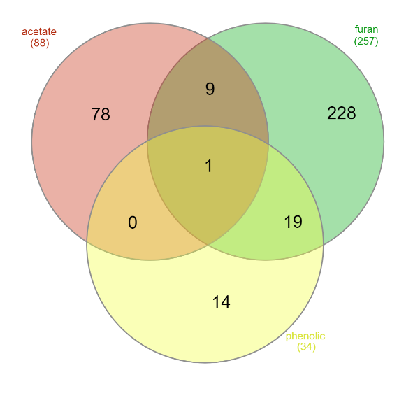
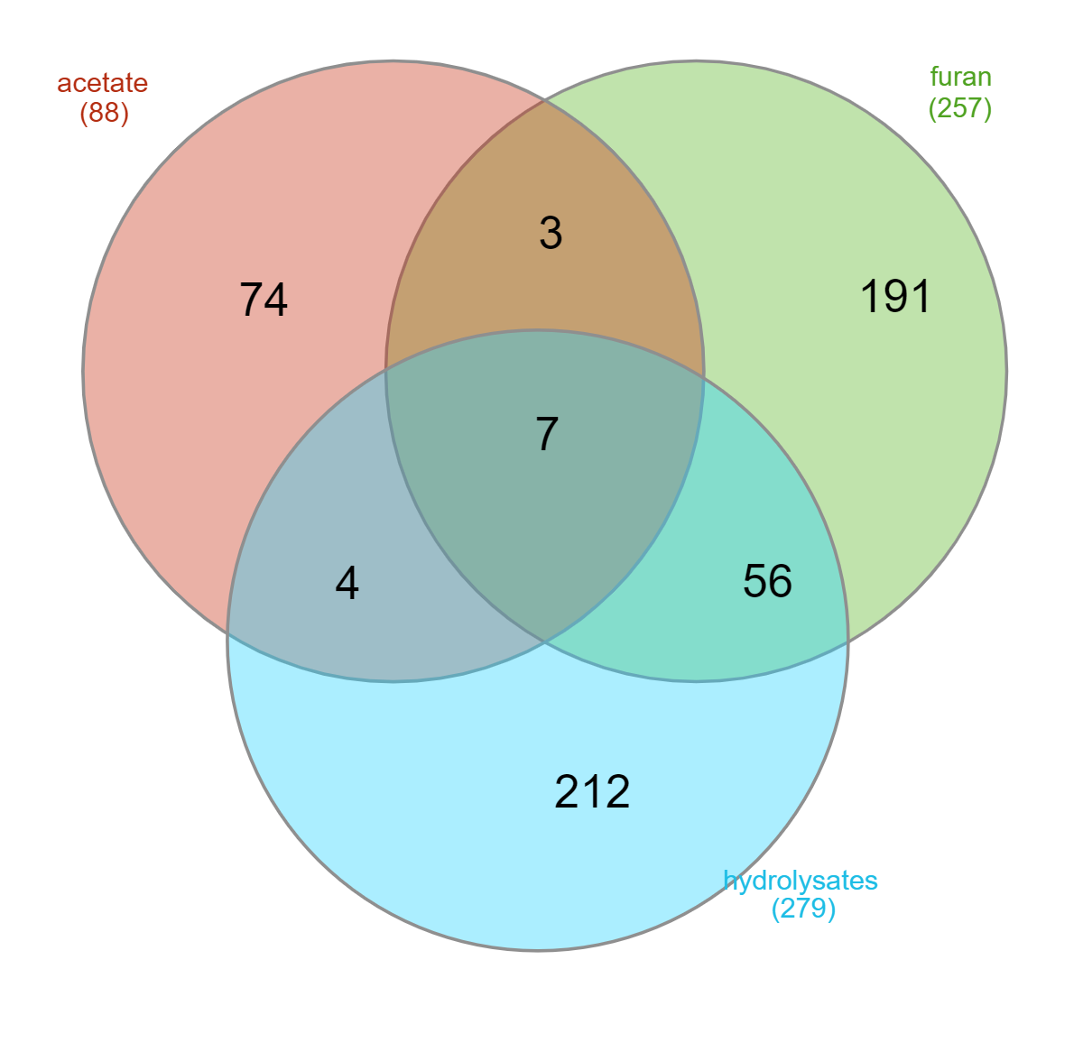
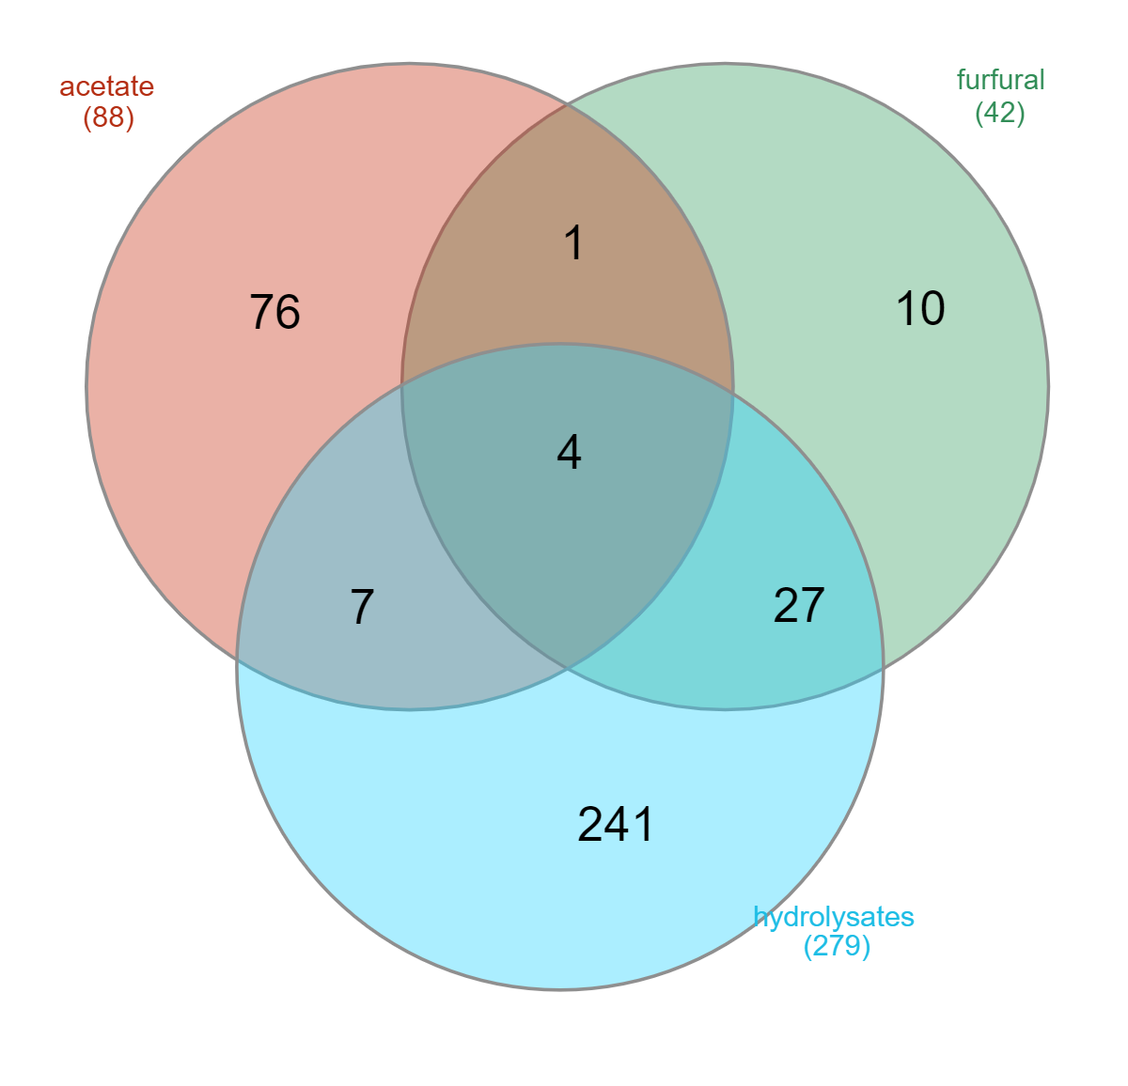
 |  |  |  |  |  |  |  |  | Common genes in the different datasets
 |  |  |  |  | FURAN
 |  |  |  |  | furfural
 |  |  |  |  | HMF
 |  |  |  |  | formate

VENN1
[acetate] | ACS2,AIM17,ALD3,ALD4,AQR1,ASC1,ATH1,ATO2,AZR1,CAT2,CMK1,COX20,CSR2,CTT1,CYC7,DBP2,DSC2,FIT3,FMP33,FPS1,FRT2,GAD1,GAP1,GDB1,GLC3,GLK1,GND1,GSP2,GUT2,HRR25,HSP82,HXK1,IGD1,ISC1,JIP1,JJJ1,LAG1,MAL11,MAL33,MRH1,OM45,PDR12,PEP3,PGM2,PMA1,PNC1,PRM5,PSR1,PUT1,QDR3,RGI1,RIM101,RTT109,SET4,SPL2,SSA3,STF1,STM1,TAL1,TKL1,TMA1,TPO2,TPO3,TSL1,UIP4,YBR241c,YCR007,YCR100c,YFL054c,YGP1,YIL059c,YIL060w,YKL33c,YOL153c,YOL292c,YRO2
[furfural] | ADH7,ALD6,ARI1,ECM22,SSK2,VFH1,YDR541C,YGL039W,YKL071w,YNL134C
[hydrolysates] | ADA2,ADK1,AFR1,AFT1,AIM31,ALF1,ANP1,ARC1,ARO7,ARR1,ARX1,ATG20,BEM1,BEM2,BEM4,BGL2,BNA1,BRO1,BRR1,BUD16,BUD21,BUD25,BUD27,BUD30,CAD1,CBF1,CCW14,CCZ1,CHO2,COG5,COX10,COX18,COX6,CRZ1,CSR1,CST6,CTF18,CTK3,DCC1,DEG1,DHH1,DID2,DOA1,ECM31,EMC1,ENT1,ERG2,ERG24,EST3,EZM22,FAB1,FET3,FKS1,FRA2,FRE8,FYV6,FZO1,GAL11,GAS1,GCN2,GCN4,GEF1,GGA2,GIM3,GIM4,GIN4,GLY1,GPH1,GSH2,HGH1,HIS5,HIS7,HTL1,HUR1,IDP1,IPT1,IRC2,IRC3,IRS4,ISA1,IWR1,KAR3,KEM1,KRE11,LDB16,LDB17,LEA1,LEO1,LOC1,LSM7,LTV1,MAK32,MCR1,MFA2,MGA2,MGR2,MIG1,MKS1,MRE11,MRPL3,MRPL32,MRPL40,MRPS35,MSD1,MSF1,MSY1,MXR2,NDE1,NDT80,NIP100,NPL3,NPR2,NRP1,NSR1,PAC10,PAD1,PAN6,PDR3,PET20,PEX34,PEX6,PEX7,PIL1,PKR1,PMR1,POP2,POS5,PPT2,PSD2,PTK2,RAV1,RDI1,REF2,REI1,RIC1,RML2,ROM2,RPB9,RPE1,RPL13a,RPL13B,RPL1B,RPL20b,RPL27a,RPL36b,RPL42b,RPL9b,RPS16a,RPS16b,RTC2,RTC3,RTF1,RVS161,SAC1,SAG1,SAN1,SEC66,SER1,SFA1,SIN4,SIP3,SLM3,SLM5,SMP1,SNC2,SNF8,SOD1,SOD2,SOH1,SPT3,SRO9,SSO2,SSQ1,STO1,STP1,STP22,SUR1,SWF1,SYS1,TCO89,THI12,THI2,THI3,THI6,THP1,THP2,TLG2,TOM1,TRM1,TUB3,UBP3,UMP1,VAM6,VID22,VMA1,VMA21,VMA22,VMA8,VMS1,VPH1,VPS1,VPS16,VPS20,VPS25,VPS27,VPS28,VPS34,VPS36,VPS4,VPS41,VPS52,VPS61,VPS63,VPS65,VPS66,VRP1,XRS2,YAF9,YAP7,YCR095w-a,YDL009c,YDL068w,YDL156w,YDR048c,YDR417c,YGL024w,YKL118w,YKR004C-A,YLR338w,YLR426w,YMR031w-a,YMR194c-a,YNL170c,YNL198c,YNL338w,YNR005c,YOR304c-a,YPL205c,YPR099c,YPT6,YTA7
[acetate] and [hydrolysates] | HAA1,HRK1,HSP12,PEP5,PPR1,SET5,WHI2
[furfural] and [hydrolysates] | ADH6,ADR1,CIN5,DAL81,DIC1,GAL4,GLR1,GRE3,GSH1,GZF3,IDH1,LEU3,MSN2,MSN4,PDR1,PDR8,PUT3,RDR1,RPB4,RPN4,STB5,UPC2,WAR1,YAP1,YRM1,YRR1,ZWF1
[acetate] and [furfural] and [hydrolysates] | CAT8,PHO13,PRS3,SFP1
[acetate] and [furfural] | ACE2

VENN2
[acetate] | ACS2,AIM17,ALD3,ALD4,AQR1,ASC1,ATH1,ATO2,AZR1,CAT2,CMK1,COX20,CSR2,CTT1,CYC7,DBP2,DSC2,FIT3,FMP33,FRT2,GAD1,GAP1,GDB1,GLC3,GLK1,GND1,GSP2,GUT2,HRR25,HSP12,HSP82,HXK1,IGD1,ISC1,JIP1,JJJ1,LAG1,MAL11,MAL33,MRH1,OM45,PDR12,PEP3,PEP5,PGM2,PMA1,PNC1,PPR1,PRM5,PSR1,PUT1,QDR3,RGI1,RIM101,RTT109,SET4,SET5,SPL2,SSA3,STF1,STM1,TAL1,TKL1,TMA1,TPO2,TSL1,UIP4,YBR241c,YCR007,YCR100c,YFL054c,YGP1,YIL059c,YIL060w,YKL33c,YOL153c,YOL292c,YRO2
[furan] | ADH6,ADH7,ALD6,ARI1,CIN5,DIC1,ECM22,GLR1,GRE3,GSH1,IDH1,MSN4,RPB4,SSK2,UPC2,YDR541C,YGL039W,YKL071w,YNL134C,ZWF1,MIG1,COM2,SUR2,SAP30,HXK2,VID24,TPS2,GPD2,GOR1,FIS1,MSS51,RTG2,GPP2,MTO1,GCN1,ADO1,TRP4,MET7,GCN4,ARG8,MCH5,URE2,GLN3,FEN2,ERG3,ERG4,ELO3,ELO2,FAA1,SCS22,ERG5,FAR7,BEM2,BUD25,CHS5,KAR3,TMA23,PUN1,CLA4,BUD27,LTE1,FKS1,ROM2,MIT1,AIM4,PMP1,VMA13,VMA21,PHO2,PHO80,FRA2,ZRT3,YKE4,IZH3,ZAP1,UBI4,SKN7,GSH2,HOG1,RIM13,SCH9,STE50,ORM2,SWI3,RAD6,SKI8,BRE1,PIF1,BRE2,DEP1,EXO5,IES3,LEA1,MED1,PAF1,RSC2,RTF1,RXT2,SGF73,SIN3,SIN4,SPT8,SRN2,SYF2,TOP1,APT1,SIP3,SPO22,MFA1,HDA2,HCR1,RPL14A,RPL21A,RPL27A,RPL42B,RPS11A,RSA1,TEF4,RPL13B,ECM1,TAN1,RPS7A,RPS16A,RPL35A,RCY1,NCS6,KRE11,BST1,ARF1,BUL1,GCS1,GET2,GSF2,LTV1,PEP8,SNF7,VAM6,VAM7,VPS5,VPS54,VPS8,VPS16,YPT31,FAB1,VPS25,VPS75,MON2,APL2,BRO1,LEM3,BCH1,SLO1,OST4,PMT2,RPN10,UBP6,VID28,ATG14,CAF16,OPT2,AIM10,CSF1,MSC1,RBS1,VPS61,YIL028W,YIL029C,YLR358C,YNL296W,YOL050C,YGL007W,YHL008C,YCR025C,FYV4,VPS65,YPR044C,YBR221W-A,YDR034W-B,YFL041W-A,YFR012W-A,YHR007C-A,YCL002C,VPS13,BUD28,YDL096C,YJL206C,SEG2,PTC6,CYC3,YMC2,HIS7,HAL5,SAT4,ARN2,SSZ1,YNG2,SWC5,MAK10,GTR2,LRP1,SGF29,YAF9,HTZ1,MAK3,TRF5,CIK1,GIP3,RBL2,GRS1,NRP1,SLX9,UBC13,UBP15,BMH1,UBA3,RTS1,CKB2,SAP155,YER140W,YDL176W,HEL2,OPI7,YMR031W-A,RTC3,LMO1,MLF3,ECM30,GIS4
[phenolic] | ALD5,ARR1,ATF1,ATF2,ATR1,BDH2,CAD1,CRZ1,FDC1,GPH1,MCH2,PAD1,SMP1,YAP7
[furan] and [phenolic] | ADR1,DAL81,GAL4,GZF3,LEU3,MSN2,PDR1,PDR8,PUT3,RDR1,RPN4,STB5,WAR1,VFH1,YAP1,YRM1,YRR1,FLR1,SNG1
[acetate] and [furan] and [phenolic] | CAT8
[acetate] and [furan] | ACE2,FPS1,HAA1,HRK1,PHO13,PRS3,SFP1,TPO3,WHI2

VENN3
[acetate] | ACS2,AIM17,ALD3,ALD4,AQR1,ASC1,ATH1,ATO2,AZR1,CAT2,CMK1,COX20,CSR2,CTT1,CYC7,DBP2,DSC2,FIT3,FMP33,FRT2,GAD1,GAP1,GDB1,GLC3,GLK1,GND1,GSP2,GUT2,HRR25,HSP82,HXK1,IGD1,ISC1,JIP1,JJJ1,LAG1,MAL11,MAL33,MRH1,OM45,PDR12,PEP3,PGM2,PMA1,PNC1,PRM5,PSR1,PUT1,QDR3,RGI1,RIM101,RTT109,SET4,SPL2,SSA3,STF1,STM1,TAL1,TKL1,TMA1,TPO2,TSL1,UIP4,YBR241c,YCR007,YCR100c,YFL054c,YGP1,YIL059c,YIL060w,YKL33c,YOL153c,YOL292c,YRO2
[furan] | ADH7,ALD6,ARI1,ECM22,SSK2,VFH1,YDR541C,YGL039W,YKL071w,YNL134C,FLR1,COM2,SUR2,SAP30,HXK2,VID24,TPS2,GPD2,GOR1,FIS1,MSS51,RTG2,GPP2,MTO1,GCN1,ADO1,TRP4,MET7,ARG8,MCH5,URE2,GLN3,FEN2,ERG3,ERG4,ELO3,ELO2,FAA1,SCS22,ERG5,FAR7,CHS5,TMA23,PUN1,CLA4,LTE1,MIT1,AIM4,PMP1,VMA13,PHO2,PHO80,ZRT3,YKE4,IZH3,ZAP1,UBI4,SKN7,HOG1,RIM13,SCH9,STE50,SNG1,ORM2,SWI3,RAD6,SKI8,BRE1,PIF1,BRE2,DEP1,EXO5,IES3,MED1,PAF1,RSC2,RXT2,SGF73,SIN3,SPT8,SRN2,SYF2,TOP1,APT1,SPO22,MFA1,HDA2,HCR1,RPL14A,RPL21A,RPL27A,RPL42B,RPS11A,RSA1,TEF4,ECM1,TAN1,RPS7A,RPS16A,RPL35A,RCY1,NCS6,BST1,ARF1,BUL1,GCS1,GET2,GSF2,PEP8,SNF7,VAM7,VPS5,VPS54,VPS8,YPT31,VPS75,MON2,APL2,LEM3,BCH1,SLO1,OST4,PMT2,RPN10,UBP6,VID28,ATG14,CAF16,OPT2,AIM10,CSF1,MSC1,RBS1,YIL028W,YIL029C,YLR358C,YNL296W,YOL050C,YGL007W,YHL008C,YCR025C,FYV4,YPR044C,YBR221W-A,YDR034W-B,YFL041W-A,YFR012W-A,YHR007C-A,YCL002C,VPS13,BUD28,YDL096C,YJL206C,SEG2,PTC6,CYC3,YMC2,HAL5,SAT4,ARN2,SSZ1,YNG2,SWC5,MAK10,GTR2,LRP1,SGF29,HTZ1,MAK3,TRF5,CIK1,GIP3,RBL2,GRS1,SLX9,UBC13,UBP15,BMH1,UBA3,RTS1,CKB2,SAP155,YER140W,YDL176W,HEL2,OPI7,YMR031W-A,LMO1,MLF3,ECM30,GIS4
[hydrolysates] | ADA2,ADK1,AFR1,AFT1,AIM31,ALF1,ANP1,ARC1,ARO7,ARR1,ARX1,ATG20,BEM1,BEM4,BGL2,BNA1,BRR1,BUD16,BUD21,BUD30,CAD1,CBF1,CCW14,CCZ1,CHO2,COG5,COX10,COX18,COX6,CRZ1,CSR1,CST6,CTF18,CTK3,DCC1,DEG1,DHH1,DID2,DOA1,ECM31,EMC1,ENT1,ERG2,ERG24,EST3,EZM22,FET3,FRE8,FYV6,FZO1,GAL11,GAS1,GCN2,GEF1,GGA2,GIM3,GIM4,GIN4,GLY1,GPH1,HGH1,HIS5,HTL1,HUR1,IDP1,IPT1,IRC2,IRC3,IRS4,ISA1,IWR1,KEM1,LDB16,LDB17,LEO1,LOC1,LSM7,MAK32,MCR1,MFA2,MGA2,MGR2,MKS1,MRE11,MRPL3,MRPL32,MRPL40,MRPS35,MSD1,MSF1,MSY1,MXR2,NDE1,NDT80,NIP100,NPL3,NPR2,NSR1,PAC10,PAD1,PAN6,PDR3,PET20,PEX34,PEX6,PEX7,PIL1,PKR1,PMR1,POP2,POS5,PPT2,PSD2,PTK2,RAV1,RDI1,REF2,REI1,RIC1,RML2,RPB9,RPE1,RPL13a,RPL1B,RPL20b,RPL27a,RPL36b,RPL42b,RPL9b,RPS16a,RPS16b,RTC2,RVS161,SAC1,SAG1,SAN1,SEC66,SER1,SFA1,SLM3,SLM5,SMP1,SNC2,SNF8,SOD1,SOD2,SOH1,SPT3,SRO9,SSO2,SSQ1,STO1,STP1,STP22,SUR1,SWF1,SYS1,TCO89,THI12,THI2,THI3,THI6,THP1,THP2,TLG2,TOM1,TRM1,TUB3,UBP3,UMP1,VID22,VMA1,VMA22,VMA8,VMS1,VPH1,VPS1,VPS20,VPS27,VPS28,VPS34,VPS36,VPS4,VPS41,VPS52,VPS63,VPS66,VRP1,XRS2,YAP7,YCR095w-a,YDL009c,YDL068w,YDL156w,YDR048c,YDR417c,YGL024w,YKL118w,YKR004C-A,YLR338w,YLR426w,YMR031w-a,YMR194c-a,YNL170c,YNL198c,YNL338w,YNR005c,YOR304c-a,YPL205c,YPR099c,YPT6,YTA7
[acetate] and [hydrolysates] | HSP12,PEP5,PPR1,SET5
[furan] and [hydrolysates] | ADH6,ADR1,CIN5,DAL81,DIC1,GAL4,GLR1,GRE3,GSH1,GZF3,IDH1,LEU3,MSN2,MSN4,PDR1,PDR8,PUT3,RDR1,RPB4,RPN4,STB5,UPC2,WAR1,YAP1,YRM1,YRR1,ZWF1,MIG1,GCN4,BEM2,BUD25,KAR3,BUD27,FKS1,ROM2,VMA21,FRA2,GSH2,LEA1,RTF1,SIN4,SIP3,RPL13B,KRE11,LTV1,VAM6,VPS16,FAB1,VPS25,BRO1,VPS61,VPS65,HIS7,YAF9,NRP1,RTC3
[acetate] and [furan] and [hydrolysates] | CAT8,HAA1,HRK1,PHO13,PRS3,SFP1,WHI2
[acetate] and [furan] | ACE2,FPS1,TPO3

